1
EAN | Image: | ENGLISH | ITALIANO: | ESPAÑOL: | Detalles: | VOLUME | BOXES | Units/BOX | BOXES/PALLET | PALETS | TOTAL Units | RETAIL PRICE €/Unit | Label | Sales price

5425012534469 |  | Remescar Eye Contour 15ML, Helps smooth the eye contour area, giving a more hydrated and brighter look. Hydrates. light up. MICROBIOME technology. Fights the signs of skin aging thanks to caffeine and vitamin C | Remescar Contorno Occhi Giorno 15ML, Aiuta a levigare la zona del contorno occhi, donando un aspetto più idratato e luminoso. Idrata. illumina. Tecnologia MICROBIOMA. Combatte i segni dell'invecchiamento cutaneo grazie alla caffeina e alla vitamina C. | Remescar Contorno de Ojos de Día 15ML, Ayuda a suavizar el área del contorno de los ojos aportando una apariencia más hidratada y luminosa. Hidrata. Illumina. Tecnología MICROBIOME. Combate los signos del envejecimiento cutáneo gracias a la cafeína y vitamina C. | Age: Between 26 and 35 years old / Between 36 and 50 years old / Over 50 years old / Skin Type: All Skin Types; Night and Day Treatment Textures: Cream, Ingredients: Vitamin C | 15ml | 285 | 48 | 90 | 3.17 | 13,680 | 28.85 € | ES/IT | 12.51 €
5425012534483 | 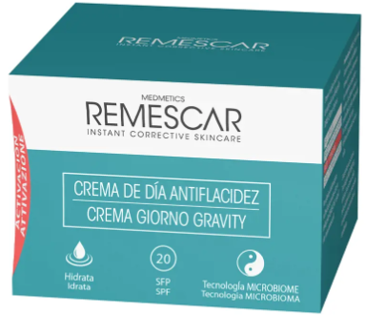 | Remescar, Anti-sagging day cream SPF20, 50ML. Moisturizing Facial Treatment, Anti-wrinkle and Anti-aging Cream. Contains a tripeptide and marine complex that deeply hydrate and activate skin to delay the visible signs of aging on the face and neck. | Remescar, crema giorno Graviti anti-rilassamento SPF20, 50ML. Trattamento Viso Idratante, Crema Antirughe e Antietà. Contiene un tripeptide e un complesso marino che idratano in profondità e attivano la pelle per ritardare i segni visibili dell'invecchiamento su viso e collo. | Remescar , Crema de Día Antiflacidez SPF20, 50ML. Tratamiento Facial Hidratante, Crema Antiarrugas y Antiedad. Contiene un tripéptido y un complejo marino que hidratan en profundidad y activan la piel para retrasar los signos visibles del envejecimiento del rostro y el cuello. | Age: Between 26 and 35 years / Between 36 and 50 years / More than 50 years. Protection: SPF 20. Skin Type: All Skin Types. Treatment: Day. Texture: Cream | 50ml | 285 | 24 | 90 | 3.17 | 6,840 | 34.99 € | ES/IT | 14.86 €
5425012534438 |  | Remescar micellar water 3 in 1, 200ML. Eliminates impurities and tricks, lasciando fresh skin, hydrated and irritated. Cleanses. Hydrates. MICROBIOME Technology Formulated with Vitamin C and Hyaluronic Acid | Remescar Acqua Micellare 3 in 1, 200ML. Elimina le impurità e il trucco, lasciando la pelle fresca, idratata e senza irritazioni. Deterge. Idrata. Tecnologia MICROBIOME Formulata con Vitamina C e Acido Ialuronico. | Remescar Agua Micelar Limpiadora 3 en 1, 200ML. Elimina las impurezas y el maquillaje dejando la piel fresca, hidratada y sin irritaciones. Limpia. Hidrata. Tecnología MICROBIOME Formulada con Vitamina C y Ácido Hialurónico. | Skin Type: All Skin Types, Liquid Textures. Format: Doser, Ingredients to highlight: Vitamin C | 200ml | 292 | 24 | 104 | 3.17 | 7,008 | 13.65 € | ES/IT | 6.18 €
5425012534537 |  | Remescar Rebalancing Tonic 200ML. It helps to restore the balance of the pH of the skin, to remove eventual residues of detergent or trick and to prepare the skin to absorb better and sieri and the moisturizing cream that we apply successively | Remescar Tonico RIEQUILIBRANTE 200ML. Aiuta a ripristinare l'equilibrio del pH della pelle, a rimuovere eventuali residui di detergente o trucco e a preparare la pelle ad assorbire meglio i sieri e le creme idratanti che vengono applicati successivamente | Remescar Tónico Equilibrante 200ML. Ayuda a restaurar el equilibrio del pH de la piel, eliminar cualquier residuo del limpiador o maquillaje y preparar la piel para absorber mejor los serums e hidratantes que se apliquen posteriormente. | Skin Type: All Skin Types, Treatment: Night and Day; Texture:Liquid, Format: Dispenser, Formulation: Neutral pH | 200ml | 294 | 24 | 104 | 2.83 | 7,056 | 13.65 € | ES/IT | 6.18 €
5425012534568 | 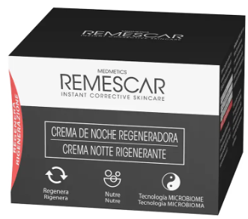 | REMESCAR REGENERATING Night Cream 50ML. Activates skin cell renewal and repairs it while you sleep. Regenerate. To feed. The MICROBIOME technology. | Crema Notte RIGENERANTE 50ML di REMESCAR. Attiva il rinnovamento delle cellule della pelle e lo ripara durante il sonno. Rigenera. Nutrire. La tecnologia del MICROBIOMA. | Remescar Crema Regeneradora de Noche 50ML, REGENERADORA crema de noche de REMESCAR. Activa la renovación de las células de la piel y la repara mientras duermes. Regenera. Nutre. Tecnología MICROBIOME. | Age: Between 26 and 35 years/Between 36 and 50 years/Over 50 years/ Skin Type: All Skin Types, Treatment: Night, Textures: Cream, Format: Concentrate | 50ml | 302 | 24 | 90 | 3.36 | 7,248 | 34.99 € | ES/IT | 14.86 €
 |  |  |  |  |  |  |  |  |  |  | 41832

